cal
Sl no | Description | Type |  |  |  |  | unit convertor | Input |  |  |  | Process |  |  |  | output
 |  |  |  | Details | L(ft) | H(ft) |  | Nos | L(M) | H(M) | Area | Product | Total area | co-eff | Sl no | product | unit | qty
 |  |  | Concrete blocks |  |  |  |  |  |  |  | L xH |  |  |  |  |  |  | Total area x co-eff
1 | Blockwork | Solid blocks/Concrete blocks | 8" ,6" & 4" | Wall1 | 10 | 9.5 | ÷ 3.28 | 2 | 3.0 | 2.9 | 17.66 | Nos of blocks | 33.48 | 11.50 | 1 | Blocks | Nos | 384.98
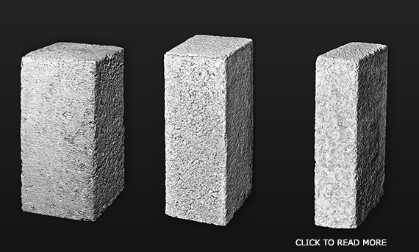
 |  |  |  | wall2 | 11 | 9.5 |  | 2 | 3.4 | 2.9 | 19.43 | cement required |  | 0.15 | 2 | cement | Bags | 5.0
 |  |  |  | door | 3 | 7 |  | 1 | 0.9 | 2.1 | -1.95 | Sand required |  | 0.027 | 3 | Sand | cum | 0.9
 |  |  |  | window | 5 | 7 |  | 1 | 1.5 | 2.1 | -3.25
 |  |  |  | Total area |  |  |  |  |  |  | 31.88
 |  |  |  | 5% wastage |  |  |  |  |  |  | 1.5941032124
 |  |  |  | Total area |  |  |  |  |  |  | 33.48

2 |  | Porotherm blocks
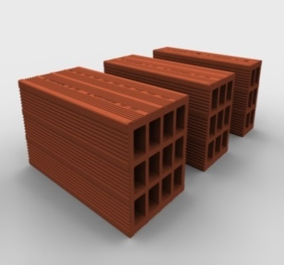
 |  |  |  |  |  |  |  |  |  |  |  | Nos of blocks | 33.48 | 11.50 | 1 | Blocks | Nos | 384.98
 |  |  |  |  |  |  |  |  |  |  |  | cement required |  | 0.15 | 2 | cement | Bags | 5.02
 |  |  |  |  |  |  |  |  |  |  |  | Sand required |  | 0.027 | 3 | Sand | cum | 0.90

3 |  | Half blocks | Sizes

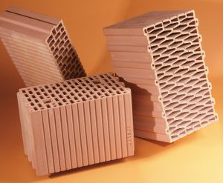
 |  |  | 200x200x100 |  |  |  |  |  |  |  |  | Nos of blocks | 33.48 | 21.00 | 1 | Blocks | Nos | 703.00
 |  |  | 200x150x100 |  |  |  |  |  |  |  |  | cement required |  | 0.15 | 2 | cement | Bags | 5.02
 |  |  | 200x100x100 |  |  |  |  |  |  |  |  | Sand required |  | 0.027 | 3 | Sand | cum | 0.90

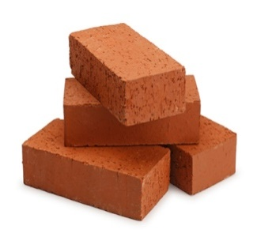
4 |  | Bricks
 |  |  | (228x111x68) |  |  |  |  |  |  |  |  | Nos of bricks | 33.48 | 480 | 1 | Bricks | Nos | 16068.56
 |  |  |  |  |  |  |  |  |  |  |  | cement required |  | 1.45 | 2 | cement | Bags | 48.54
 |  |  |  |  |  |  |  |  |  |  |  | Sand required |  | 0.25 | 3 | Sand | cum | 8.37

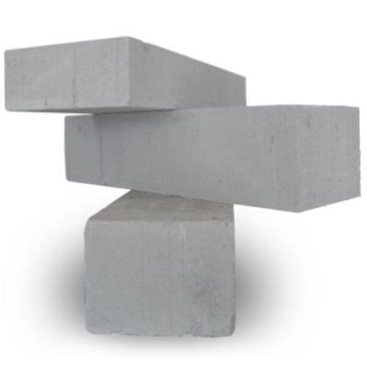
5 |  | AAC Blocks
 |  |  | 600x200x200 |  |  |  |  |  |  |  |  | Nos of Blocks | 33.48 | 8 | 1 | Bricks | Nos | 267.81
 |  |  | 600x150x200 |  |  |  |  |  |  |  |  | cement required |  | 0.15 | 2 | cement | Bags | 5.02
 |  |  | 600x100x200 |  |  |  |  |  |  |  |  | Sand required |  | 0.027 | 3 | Sand | cum | 0.90

calc
Sl no | Description | Type |  |  |  |  |  | unit convertor | Input |  |  |  | Process |  |  |  | output
 |  |  |  | Details | Nos | L(M) | H(M) |  | Nos | L(ft) | H(ft) | Area | Product | Total area | co-eff | Sl no | product | unit | qty
 |  |  | Concrete blocks |  |  |  |  |  |  |  |  | L xH |  |  |  |  |  |  | Total area x co-eff
1 | Blockwork | Solid blocks/Concrete blocks | 8" ,6" & 4" | Wall1 | 2 | 3.0 | 2.9 | x3.28 | 2 | 10.0 | 9.5 | 190.00 | Nos of blocks | 360.15 | 1.06 | 1 | Blocks | Nos | 382.00
 |  |  |  | wall2 | 2 | 3.4 | 2.9 |  | 2 | 11.0 | 9.5 | 209.00 | cement required |  | 0.014 | 2 | cement | Bags | 6.0
 |  |  |  | door | 1 | 0.9 | 2.1 |  | 1 | 3.0 | 7.0 | -21.00 | Sand required |  | 0.0886 | 3 | Sand | Cft | 31.9
 |  |  |  | window | 1 | 1.5 | 2.1 |  | 1 | 5.0 | 7.0 | -35.00
 |  |  |  | Total area |  |  |  |  |  |  |  | 343.00
 |  |  |  | 5% wastage |  |  |  |  |  |  |  | 17.15
 |  |  |  | Total area |  |  |  |  |  |  |  | 360.15

2 |  | Porotherm blocks

 |  |  |  |  |  |  |  |  |  |  |  |  | Nos of blocks | 360.15 | 1.06 | 1 | Blocks | Nos | 382.00
 |  |  |  |  |  |  |  |  |  |  |  |  | cement required |  | 0.014 | 2 | cement | Bags | 6.0
 |  |  |  |  |  |  |  |  |  |  |  |  | Sand required |  | 0.0886 | 3 | Sand | Cft | 31.91

3 |  | Half blocks | Sizes

 |  |  | 200x200x100 |  |  |  |  |  |  |  |  |  | Nos of blocks | 360.15 | 1.95 | 1 | Blocks | Nos | 703.00
 |  |  | 200x150x100 |  |  |  |  |  |  |  |  |  | cement required |  | 0.014 | 2 | cement | Bags | 6.0
 |  |  | 200x100x100 |  |  |  |  |  |  |  |  |  | Sand required |  | 0.0886 | 3 | Sand | Cft | 31.91

4 |  | Bricks
 |  |  | (228x111x68) |  |  |  |  |  |  |  |  |  | Nos of bricks | 360.15 | 44.65 | 1 | Bricks | Nos | 16081.00
 |  |  |  |  |  |  |  |  |  |  |  |  | cement required |  | 0.135 | 2 | cement | Bags | 49.0
 |  |  |  |  |  |  |  |  |  |  |  |  | Sand required |  | 0.82 | 3 | Sand | Cft | 295.32


5 |  | AAC Blocks
 |  |  | 600x200x200 |  |  |  |  |  |  |  |  |  | Nos of Blocks | 360.15 | 0.74 | 1 | Bricks | Nos | 267.00
 |  |  | 600x150x200 |  |  |  |  |  |  |  |  |  | cement required |  | 0.014 | 2 | cement | Bags | 6.0
 |  |  | 600x100x200 |  |  |  |  |  |  |  |  |  | Sand required |  | 0.0886 | 3 | Sand | Cft | 31.91

UI
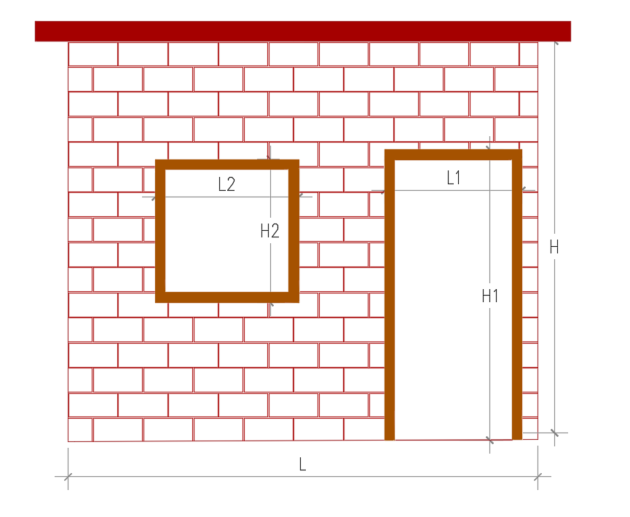

Input

Select type of work |  |  |  |  |  |  | 8"Solid blockwork
 |  |  |  |  |  |  | 6" Solid blockwork
 |  |  |  |  |  |  | 4"solid blockwork
Select units | units |  |  | Out put |  |  | 8"porotherm blockwork
 |  |  |  |  |  |  | 6" Porotherm blockwork
 |  |  |  | Material |  |  | 4"Porotherm blockwork
 |  |  |  |  |  |  | 8"porotherm half blockwork
 |  |  |  | Cement | Bags |  | 6" Porotherm half blockwork
wall1 |  |  |  |  |  |  | 4"Porotherm half blockwork
 |  |  |  | Sand | Cft |  | Brickwork
Length |  | Height |  |  |  |  | 8"AAC blockwork
 |  |  |  |  |  |  | 6" ACC blockwork
Door | L1 |  | H1 |  |  |  | 4"ACC blockwork

Window | L2 |  | H2

 |  |  |  |  |  |  | 8"Solid block
 |  |  |  |  |  |  | 6" Solid block
Calculate |  |  |  |  |  |  | 4"solid block
 |  |  |  |  |  |  | 8"porotherm Block
 |  |  |  |  |  |  | 6" Porotherm Block
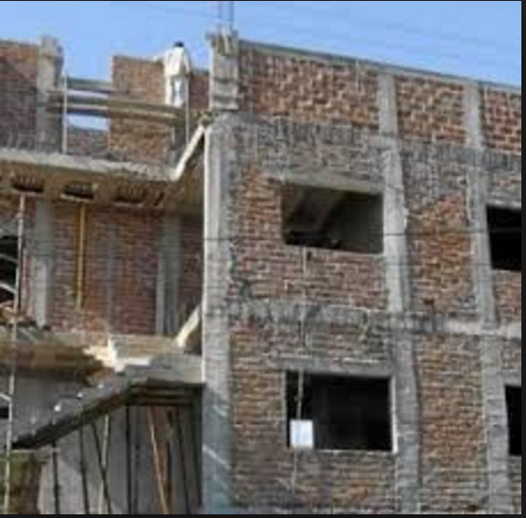
 |  |  |  |  |  |  | 4"Porotherm Block
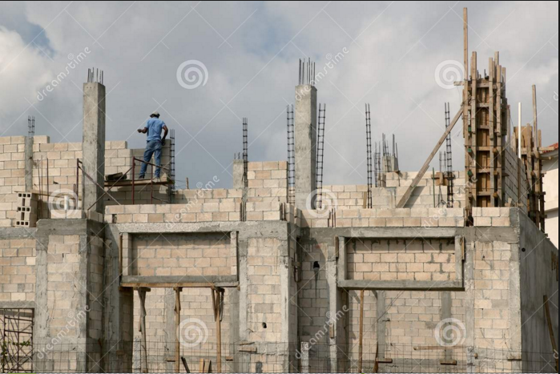
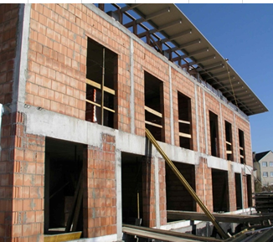
 |  |  |  |  |  |  | 8"porotherm half block
 |  |  |  |  |  |  | 6" Porotherm half block
 |  |  |  |  |  |  | 4"Porotherm half block
 |  |  |  |  |  |  | Brick
 |  |  |  |  |  |  | 8"AAC block
 |  |  |  |  |  |  | 6" ACC block
 |  |  |  |  |  |  | 4"ACC block

 | Brickwork |  |  | Solid blockwork |  | Porotherm blockwork

